Topics
 | Problem:
 | We Get Files from Different Parts of the World with Different Date & Number Formats
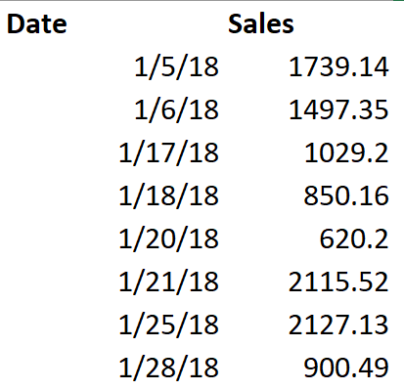
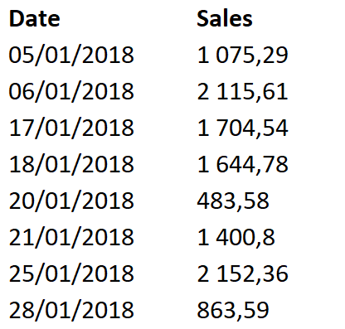
 | Background:
 | Regional Settings in Control Panel define Data Format.

 | Power Query allows us to change how dates are interpreted:
 | 1) Data Type icon at top of Date Column, "Using Locale…" (changes just that column)
 | 2) Query Options, Regional Settings (for all Text File imports for Current File Only)

 | Examples:
Excel Power Query | Example 1: Power Query using Default Regional Settings
 | Example 2: Use Data Type Using Locale…
 | Example 3: Convert ISO Date to Date
 | Example 4: Change Regional Setting in Power Query for all Imported Text Files in Current File.
Power BI Desktop | Example 5: Import Text Files From Different Parts of World and Append
 |  | From Folder Feature
 |  | Merge Feature
 |  | Build Custom Function
 |  | Append

